Summary
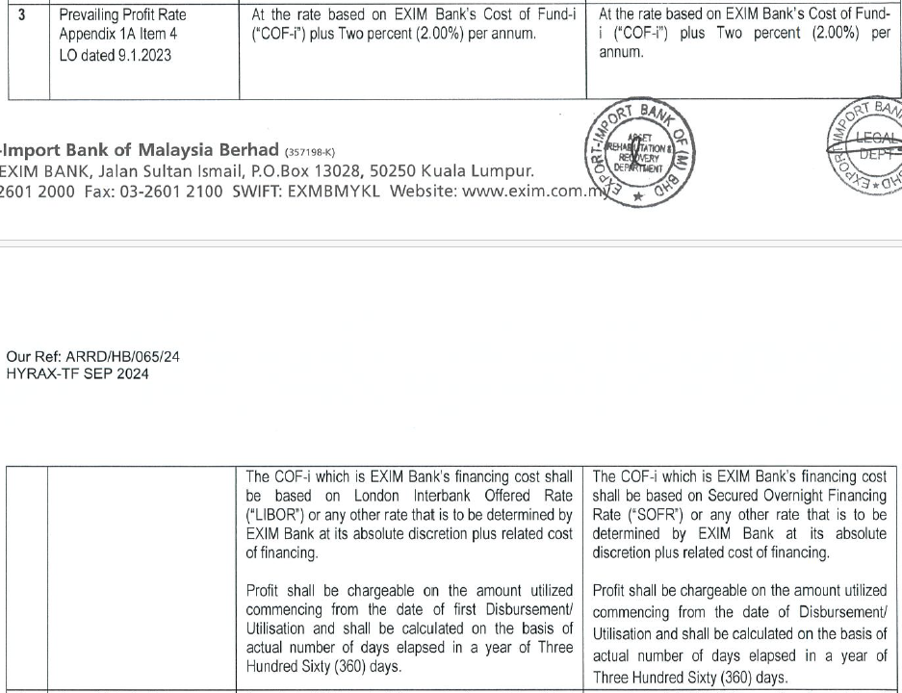
Export-Import Bank of Malaysie Berhad
Individual Assessment Template

Officer in charge | RP
Borrower | HYRAX OIL SDN BHD
Sector
Reporting period | 2024-11-30
Date of review | 2024-12-05 |  |  |  |  | Forex : | 4.4405 | USD

Facility | Date turn NPL | NPL more than 7 years | MIA | OEIR | Undrawn Amount | Gross outstanding | IIS | Net outstanding
 |  |  |  |  | USD | USD | USD | USD |  | Undrawn Amount (RM) | Principal (RM) | IIS (RM) | O/C (RM) | Total
TF-i (R) (501179) | 2021-04-09 | 3.6 | 20 | 8.7400% | - | 1,849,867 | - | 1,849,867 |  | - | 8,214,335.38 | - | - | 8,214,335.38
 |  | 125 |  |  |  |  |  | -
 |  | 125 |  |  |  |  |  | -
 |  | 125 |  |  |  |  |  | -
 |  | 125 |  |  |  |  |  | -
 |  | 125 |  |  |  |  |  | -
TOTAL |  |  |  |  | - | 1,849,867 | - | 1,849,867
 |  |  |  |  | 0.00% | 100.00% | 1,849,867 | 8,214,335.38

Potential scenarios | Recovery mode |  |  | Discounted cash flow | Weightage | Weighted discounted cash flow
 |  |  |  | USD |  | USD
 | Cash Collateral/ DSRA/ FSRA |  |  | 90,092 | 100% | 90,092 | as at 30/11/2024
Scenario 1 | Collateral Disposal |  |  | 789,833 | 100% | 789,833
Scenario 2 | Impaired > 7 years |  |  | - | 0% | 0
TOTAL |  |  |  | 879,924 | 200% | 879,924 |  | Check | -100.00%

Expected credit loss as at reporting period |  | USD | 969,943 | 4,307,031.90 |  | ECL - C&C | - | -
 |  |  |  |  |  | ECL - LAF | 969,943.00 | 4,307,031.90
Expected credit loss as at previous reporting period |  | USD | 1,006,544 | as at 31/10/2024

Charge/(write back) for the reporting period |  | USD | (36,601)

Prepared by: | -Duly Signed- |  | Reviewed by: | -Duly Signed- |  | Verified by: | -Duly Signed-

Name: | NUR SYAHIRA 'ATIQAH AHMAD FAISAL |  | Name: | REENA PRABHAKARAN |  | Name: | HISHAM BAHARI
Designation: | AM |  | Designation: | SM |  | Designation: | HEAD, ARRD
Date: | 2024-12-04 |  | Date: | 2024-12-04 |  | Date: | 2024-12-04

OEIR/ Profit Rate Computation

Date: | 2024-11-30

USD NT (1M) | 6.7400%
Spread/Fixed | 2.0000%
 | 8.7400%

Scenario 1
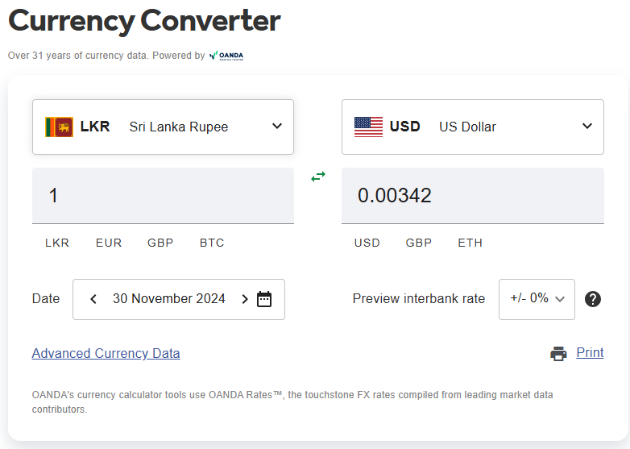
Borrower | HYRAX OIL SDN BHD
Reporting period | 2024-11-30
Recovery mode | Collateral Disposal
Weightage | 100%

Discounted cash flow

Original effective interest rate | 8.7400%
 |  | 2025 | 2026 | 2027 | 2028 | 2029 | 2030 | 2031 | 2032 | 2033 | 2034
Year | 0 | 1 | 2 | 3 | 4 | 5 | 6 | 7 | 8 | 9 | 10 | Total
Discount factor | 1.0000 | 0.9196 | 0.8457 | 0.7777 | 0.7152 | 0.6577 | 0.6049 | 0.5563 | 0.5115 | 0.4704 | 0.4326

Cash flow 1 - Collateral |  |  |  |  |  | 1,200,830 |  |  |  |  |  | 1,200,830
Cash flow 2 - [ ] |  |  |  |  |  |  |  |  |  |  |  | -
Cash flow 3 - [ ] |  |  |  |  |  |  |  |  |  |  |  | -
Total | - | - | - | - | - | 1,200,830 | - | - | - | - | - | 1,200,830

Present Value | - | - | - | - | - | 789,833 | - | - | - | - | -
Net Present Value | 789,833

Comment
Please insert justification including but not limited to (1) The basis for time to disposal of collateral; (2) Hair cut applied on FSV of collateral (if any); (3) Repayment from operating cash flow; (4) The basis and assumptions for any other source of recovery (e.g. settlement plan, guarantee etc.)

Cash Collateral Building USD1,138,000 P&M USD3,385,000 Total MV USD4,523,000 FSV LKR641,000,000

Collateral information

Collateral description | Collateral type | Valuer |  | Valuation date | Currency | OMV | FSV | Hair-cut | Net FSV | Reserve price | Disposal cost % | Disposal cost | Net expected recovery
Building | Property | Jones Lang LaSalle |  | 2021-06-25 | USD | 1,138,000 | 567,720 | 40% | 340,632 |  | 5% | 17,032 | 323,600
Plant & Machinery | Plant & Machinery | Jones Lang LaSalle |  | 2021-06-25 | USD | 3,385,000 | 1,624,500 | 40% | 974,700 |  | 10% | 97,470 | 877,230
 |  |  |  |  |  |  |  | 50% | - |  | 0% | - | -
 |  |  |  |  |  |  |  | 50% | - |  | 0% | - | -
 |  |  |  |  |  |  |  | 50% | - |  | 0% | - | -
 |  |  |  |  |  | 4,523,000 | 2,192,220 |  |  | - |  | 114,502 | 1,200,830
 |  |  |  |  |  |  | 641,000,000.00
The prescribed value for collateral, transaction cost, realisation period should be guided by the Bank's internal policy |  |  |  |  |  |  |  |  |  | Forex : | 4.4405 | USD
 |  |  |  |  |  |  |  |  |  |  | 0.00342 | LKR to USD

